template
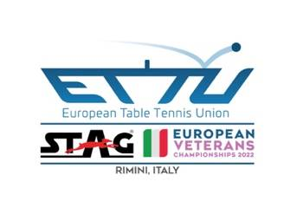

NOMINATION - APPLICATION FORM for INTERNATIONAL UMPIRES

 |  | Event Name : | 2022 STAG EUROPEAN TABLE TENNIS VETERANS CHAMPIONSHIPS
 |  | Location : | Rimini (ITA)
 |  | Start Date : | Jun-2022
 |  | End Date : | Jul-2022
 |  | Please complete the form and send to
 |  | Email address: | urc@ettu.org

 |  | Closing date: | Apr-2022 |  | 12 p.m.

 | Please send form in Excel - NOT as PDF

 |  | Association:
 |  | Responsible person:
 |  | Function:
 |  | Email address:
 |  | Date:
Submits the application of the following umpire who is interested in being selected/appointed for the above mentioned tournament

IU # | Family NAME | First/Given Name | Asso-ciation | Sex | Email address | BB | BBP | WB
5 digit | CAPITAL LETTERS | Proper Case | 3 digit code | F / M | lower case

